Sheet1
BUG REPORTS
DEFECT ID | DESCRIPTION | VERSION | STEPS | CREATE DATE | FILE | CREATE BY | STATUS | FIXED BY | CLOSE DATE | SERVERITY | PRIORITY
B_E_001 | System accepts invalid email domain format | 1.0.3 | 1. Open registration page 2. Enter email: vann170723@gmali.com 3. Fill other fields 4. Submit form | 2025-08-26 | 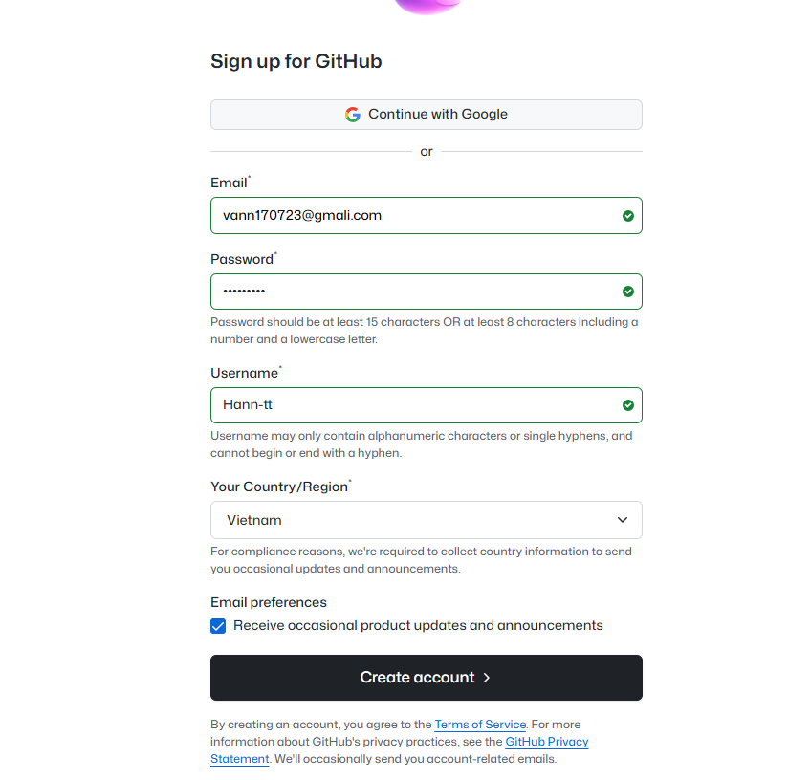 | NGOC HAN | OPEN |  |  | MAJOR | HIGH

